Binary Investment Decision
Binary Integer Programming

 | X1 | X2 | X3 | X4 | X5 | X6 | X7 |  |  |  |  | A financial investment firm specializes in recommending oil stock portfolios for clients. One such client made the following specifications:
Variables | 0 | 0 | 1 | 1 | 1 | 1 | 0
 | 50 | 80 | 90 | 120 | 110 | 40 | 75 |  |  |  |  | At least two Texas oil firms must be in the portfolio
 |  |  |  |  |  |  |  |  |  |  |  | No more than one investment can be made in foreign oil companies (companies outside of the United States).
Objective(max) |  |  |  |  |  |  |  |  |  |  |  | One of two California oil stocks must be purchased.
Return | 360 |  |  |  |  |  |  |  |  |  |  | Up to $3 million for investing to purchase single blocks of stock per table below.
 |  |  |  |  |  |  |  |  |  |  |  | Find the allocation of investments to maximize the return.
 |  |  |  |  |  |  |  |  |  |  |  | Name | Expected Annual Return ($1000) | Cost for Block of Shares ($1000)
 | X1 | X2 | X3 | X4 | X5 | X6 | X7 | LHS | SIGN | RHS | X1 | Trans-Texas Oil | 50 | 480
atleast 2 Texas | 1 |  |  | 1 | 1 |  |  | 2 | >= | 2 | X2 | British Petroleum (BP) | 80 | 540
no more than 1 foreign |  | 1 | 1 |  |  |  |  | 1 | <=1 | 1 | X3 | Dutch Shell | 90 | 680
CA |  |  |  |  |  | 1 | 1 | 1 | = | 1 | X4 | Houston Drilling | 120 | 1000
Cost | 480 | 540 | 680 | 1000 | 700 | 510 | 900 | 2890 | <= | 3000 | X5 | Texas Petroleum | 110 | 700
 |  |  |  |  |  |  |  |  |  |  | X6 | San Diego Oil | 40 | 510
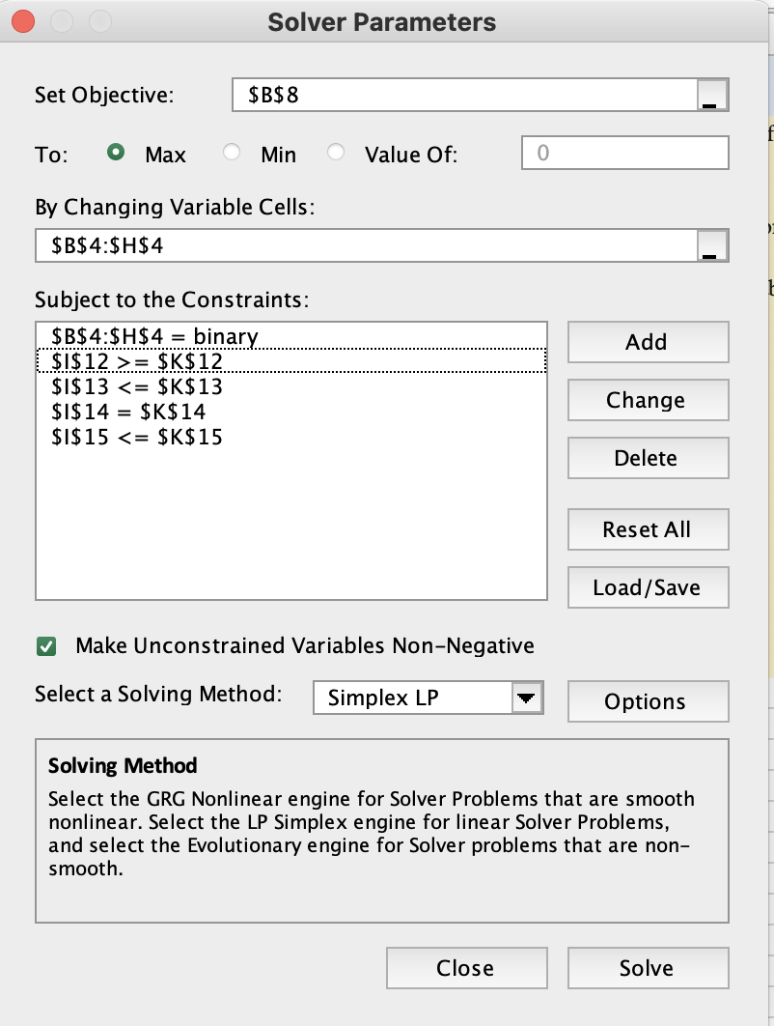
 |  |  |  |  |  |  |  |  |  |  | X7 | California Petro. | 75 | 900
 |  |  |  |  |  |  |  |  |  |  |  | Summary:
 |  |  |  |  |  |  |  |  |  |  |  | Investment should be made in Dutch Shell, Houston Drilling, Texas Petroleum and San Diego Oil to get a maximized return of $360,000.

Horizon Wireless
Variables | L1 | L2 | L3 | L4 | L5 | L6 |  |  |  | Horizon Wireless, a cellular telephone company, is expanding into a new city. Relay towers are necessary to provide wireless telephone coverage to the different areas of the city. A grid is superimposed on a map of the city to help determine where the towers should be located. The grid consists of 8 areas labeled A through H. Six possible tower locations (numbered L1–L6) have been identified, and each location could serve several areas. The table below indicates the areas served by each of the towers. Horizon wants to make sure that all areas of the city are served, while minimizing the number of towers that need to be built.
 | 1 | 1 | 0 | 1 | 0 | 0

OBJECTIVE(MIN)
NO. OF TOWERS | 3

Constraints |  |  |  |  |  |  | LHS | Sign | RHS | Tower Location | Areas Served
A | 1 |  |  |  |  | 1 | 1 | >= | 1 | L1 | A,C,D
B |  | 1 | 1 |  |  |  | 1 | >= | 1 | L2 | B,D,G
C | 1 |  | 1 |  |  |  | 1 | >= | 1 | L3 | B,C,E,F
D | 1 | 1 |  |  | 1 | 1 | 2 | >= | 1 | L4 | E,F,H
E |  |  | 1 | 1 |  |  | 1 | >= | 1 | L5 | D,G,H
F |  |  | 1 | 1 |  | 1 | 1 | >= | 1 | L6 | A,D,F
G |  | 1 |  |  | 1 |  | 1 | >= | 1
H |  |  |  | 1 | 1 |  | 1 | >= | 1 | SUMMARY SOLUTION:
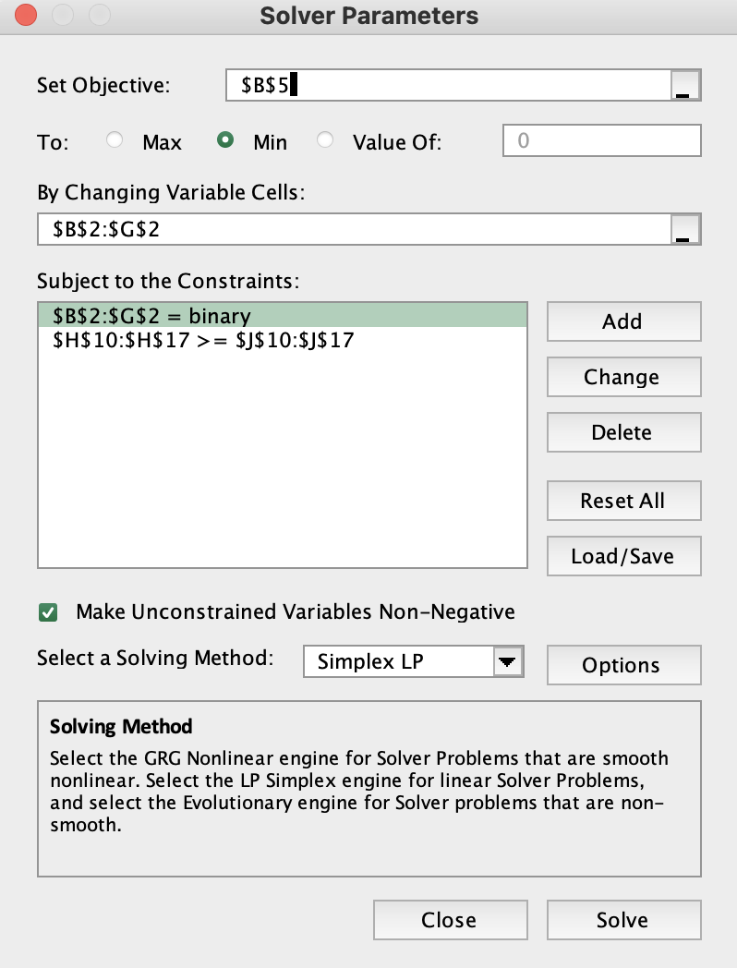
 |  |  |  |  |  |  |  |  |  | HORIZON WIRELESS needs to build towers at L1, L2 and L4.

